Sheet1
Power (kW) | 1000 | 3000 | 10000 | 10000 |  | Power (kW) | 1000 | 3000 | 10000 | 10000
LHV[=]kJ/kg | 41200 | 41200 | 41200 | 50138 |  | μ_Α0 | 14.2448 | 14.2448 | 14.2448 | 17.2075
C (weight fraction) | 0.88 | 0.88 | 0.88 | 0.75 |  | μ_Α | 16.38152 | 16.38152 | 16.38152 | 19.788625
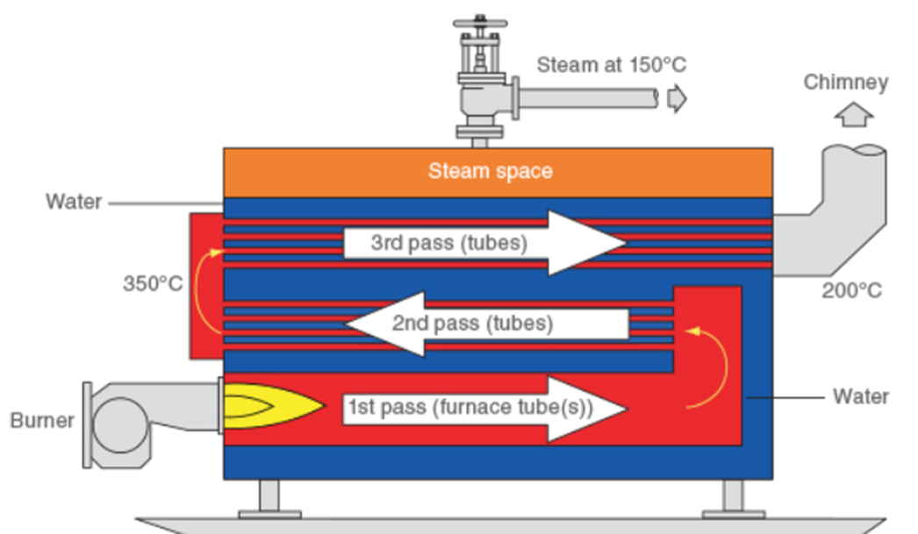
H | 0.12 | 0.12 | 0.12 | 0.25 |  | m_B | 0.02427184466 | 0.072815533981 | 0.2427184466 | 0.19945150835
S | 0 | 0 | 0 | 0 |  | kmol CO2 | 0.073333333333 | 0.073333333333 | 0.073333333333 | 0.0625
O | 0 | 0 | 0 | 0 |  | kmol H2O | 0.06 | 0.06 | 0.06 | 0.125
N | 0 | 0 | 0 | 0 |  | kmol N2 | 0.4462552 | 0.4462552 | 0.4462552 | 0.53906943966
λ | 1.15 | 1.15 | 1.15 | 1.15 |  | kmol O2 | 0.0154728 | 0.0154728 | 0.0154728 | 0.018690905172
P (MPa) | 0.1 | 0.1 | 0.1 | 0.1 |  | r | 0.2240665388 | 0.2240665388 | 0.2240665388 | 0.2515899327
CpG(T_Ge) | 1.3 | 1.3 | 1.3 | 1.3 |  | rH2O | 0.10082994246 | 0.10082994246 | 0.10082994246 | 0.1677266218
D_firetube[=]m | 0.6 | 0.87 | 1.3 | 1.3 |  | kG | 14.220322194 | 11.25600192 | 8.6625106142 | 8.2485961206
L_firetube[=]m | 3 | 4.35 | 6.5 | 6.5 |  | ks | 2.739176 | 2.912712 | 3.122152 | 1.436364
ε_w | 0.85 | 0.85 | 0.85 | 0.85 |  | k_lum | 5.9254743746 | 5.4348053909 | 5.0631307706 | 3.5116277429
Α_f | 5.9346 | 12.4774965 | 27.85965 | 27.85965 |  | k_non | 3.1862983746 | 2.5220933909 | 1.9409787706 | 2.0752637429
 | fuel oil | fuel oil | fuel oil | natural gas |  | ε_lum | 0.27383325646 | 0.34658659359 | 0.44699392952 | 0.33692053941
 |  |  |  |  |  | ε_non | 0.15807143855 | 0.17920337179 | 0.20315453605 | 0.21557621134
 |  |  |  |  |  | ε_f | 0.2217404384 | 0.27126414378 | 0.33726620246 | 0.22771064415
η | 0.8 | 0.8 | 0.8 | 0.8 |  | T_Ge (K) | 1228 | 1286 | 1356 | 1486
ΔΗ_vl, kJ/kg | 2700 | 2700 | 2700 | 2700 |  | ε | 0.21339033265 | 0.2588719085 | 0.31832053904 | 0.21891376286
m_st[=]kg/h | 1067 | 3200 | 10667 | 10667 |  | T_Ga (K) | 2096.3334997 | 2096.3334997 | 2096.3334997 | 2128.2120543
 |  |  |  |  |  | Bo | 0.82909350648 | 0.97516606308 | 1.1839391688 | 1.6170742641
D_b | 1.50 | 2.18 | 3.25 | 3.25 |  | x^2-Bo(1-x) | -0.00027958688297 | -0.00062511201917 | 0.00029105720502 | -0.0004331755989
V_water | 0.42632089344 | 1.2996925338 | 4.3362361245 | 4.3362361245 |  | T_Ge (K) | 1228.29 | 1286.60 | 1355.75 | 1486.31
A_surface | 3.1176914536 | 6.5549462812 | 14.635829324 | 14.635829324 |  | T_Ge (oC) | 955.29 | 1013.60 | 1082.75 | 1213.31
q_v[=]MW/m3 | 2.3456509296 | 2.3082382348 | 2.3061474774 | 2.3061474774 |  |  | fuel oil | fuel oil | fuel oil | natural gas
G_st[=]kg/m2/s | 95.037081348 | 135.60582356 | 202.44585376 | 202.44585376 | PREDICTION

 |  |  |  |  |  | kG.r | 3.1862983746 | 2.5220933909 | 1.9409787706 | 2.0752637429

