Φύλλο1
CONSTRUCTION |  |  | HOT FLUID PROPERTIES |  | COLD FLUID PROPERTIES |  | CALCULATIONS |  | Tube side |  | Shell side

Inner tube OD, dto[=]mm | 48.26 | (1 1/2") | mfh[=]kg/s | 0.92390942391 | mfc[=]kg/s | 1.24 | qth[=]kW | 55.49 | mf_t[=]kg/s | 1.24 | mf_s[=]kg/s | 0.92390942391
Inner tube ID, dti[=]mm | 40.894 |  | thi[=]oC | 71 | tci[=]oC | 25 | lmtd[=]oC | 16.681503465 | ro_t[=]kg/m3 | 860 | ro_s[=]kg/m3 | 835
inner thickness, eps[=]mm | 3.683 |  | tho[=]oC | 38 | tco[=]oC | 50 | U_est[=]W/m2/K | 300 | cp_t[=]kJ/kgoC | 1.79 | cp_s[=]kJ/kgoC | 1.82
Outer tube OD [=]mm | 73.03 | (2 1/2") | roh[=]kg/m3 | 835 | roc[=]kg/m3 | 860 | A_est[=]m2 | 11.08812926 | mu_t[=]kg/m/s | 0.000375 | mu_s[=]kg/m/s | 0.0003465
Outer tube ID, dsi[=]mm | 62.718 |  | cph[=]kJ/kgoC | 1.82 | cpc[=]kJ/kgoC | 1.79 | L_est[=]m | 73.134296773 | kt_t[=]W/m/oC | 0.139 | kt_s[=]W/m/oC | 0.135
Outer tube thickness [=]mm | 5.156 |  | muh[=]kg/m/s | 0.0003465 | muc[=]kg/m/s | 0.000375 | U_c[=]W/m2/K | 529.09160581 | rf_t[=]m2K/kW | 0.188 | rf_s[=]m2K/kW | 0.188
Tube thermal cond[=]W/mK | 25 |  | kth[=]W/m/oC | 0.135 | ktc[=]W/m/oC | 0.139 | U_f[=]W/m2/K | 434.80241499 | pr_t | 4.8291366906 | pr_s | 4.6713333333
Length of tube[=]m | 6.096 |  | rfh[=]oCm2/kW | 0.188 | rfc[=]oCm2/kW | 0.188 | A_c[=]m2 | 6.287075322 | u_t[=]m/s | 1.0977771005 | a_s[=]m2 | 0.0012601870016
 |  |  | prh | 4.6713333333 | prc | 4.8291366906 | A_f[=]m2 | 7.6504606766 | ret[=] | 102953.4592 | u_s[=]m/s | 0.87802711072
pi[=] | 3.141592654 |  |  |  |  |  | l_t[=]m | 50.460366077 | frt[=] | 0.0055715467113 | dhf[=]m | 14.458
 |  |  |  |  |  |  | npa | 8.2776191072 | Nu_t | 395.83803787 | dhth[=]m | 33.247408288
 |  |  |  |  | 0.92390942391 | 1.24 | npa (integer) | 8 | h_t[=]W/m2/oC | 1345.4660161 | res | 70347.547114
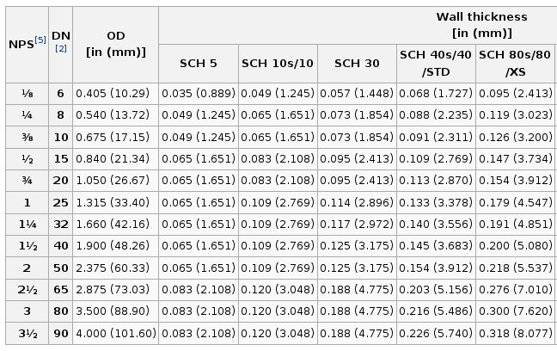
 |  |  |  |  | 71 | 25 | l_t,f | 48.768 | ΔΡ_t[=]bar | 0.17877673642 | resf | 30591.402113
 |  |  |  |  | 38 | 50 | A_final[=]m2 | 7.393875536 |  |  | frs[=] | 0.0069486743437
 |  |  |  |  | 835 | 860 | C_min | 1.6815151515 |  |  | Nu_s | 288.69714331
 |  |  |  |  | 1.82 | 1.79 | NTU | 1.9118917461 |  |  | h_s[=]W/m2/oC | 1172.245187
 |  |  |  |  | 0.0003465 | 0.000375 | CR | 0.75757575758 |  |  | ΔΡ_s[=]bar | 0.33476179089
 |  |  |  |  | 0.135 | 0.139 | exp[-(1-CR)NTU] | 0.62908499253
 |  |  |  |  | 0.188 | 0.188 | ε | 0.70863681432
 |  |  |  |  | 4.6713333333 | 4.8291366906 | Qmax | 77.34969697
 |  |  |  |  |  |  | Tho_final | 38.402706541
 |  |  |  |  |  |  | Tco_final | 49.694919287
 |  |  |  |  |  |  | ΔΡ_t,f | 0.17399740358
 |  |  |  |  |  |  | ΔΡ_s,f | 0.3242900142

